E-0.080.2
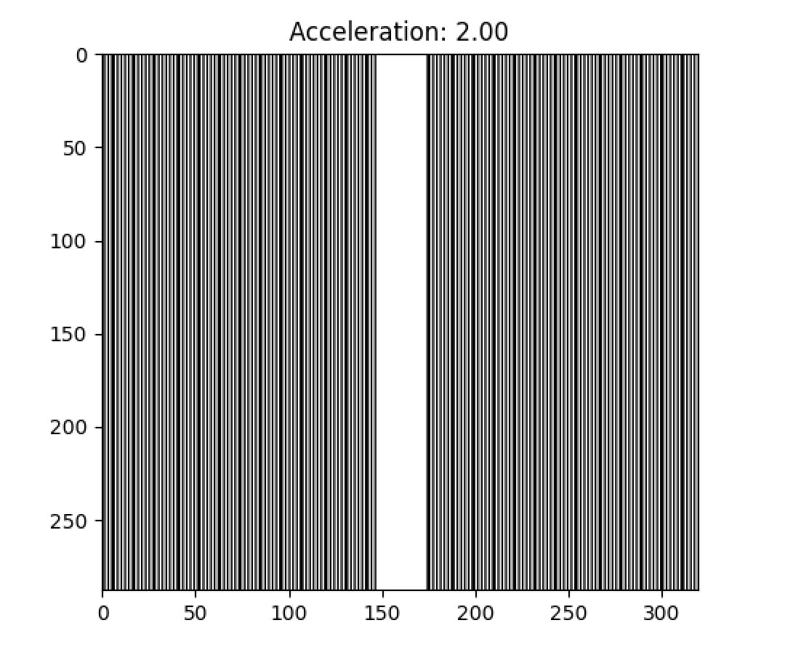
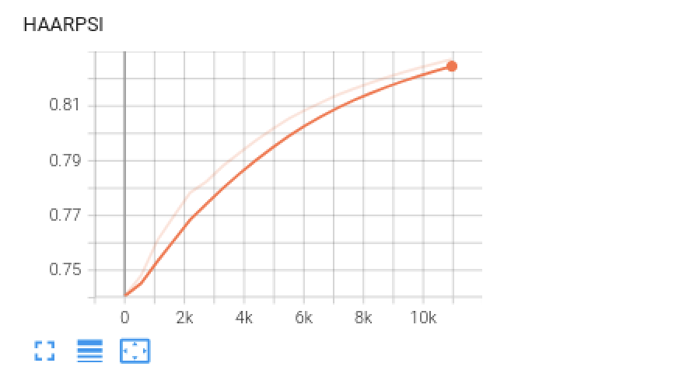
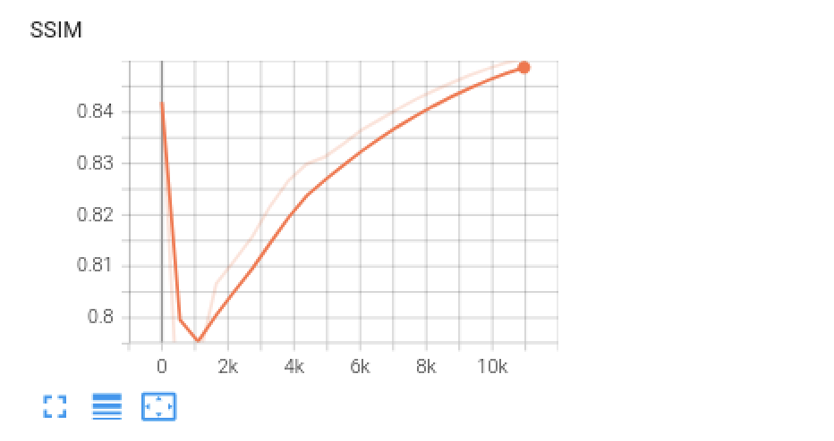
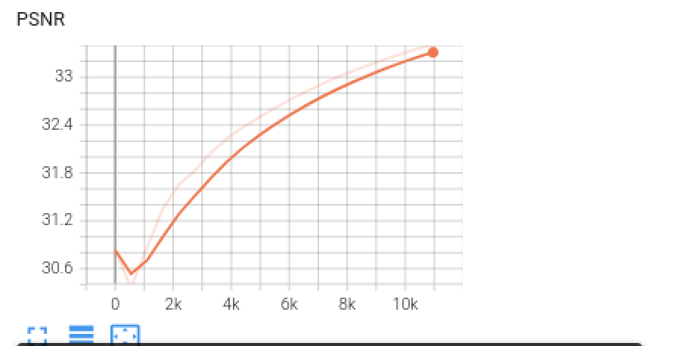
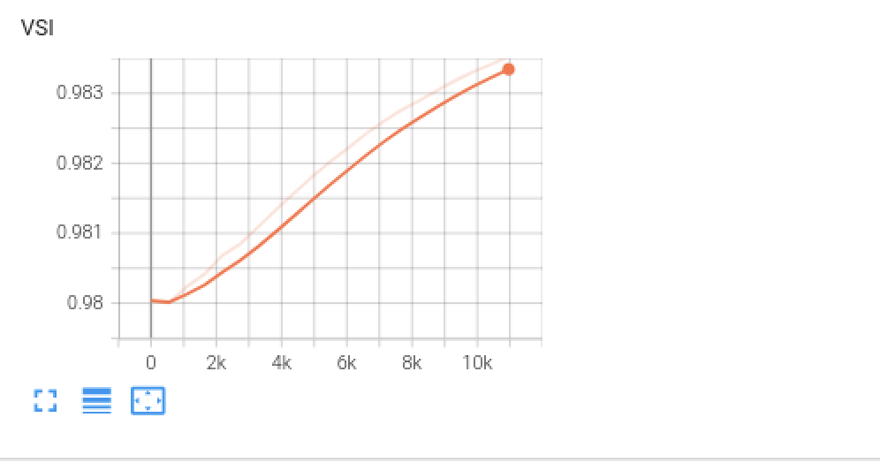
Folder name (Date) | Mask - Train | Acceleration Train | Center fraction - Train | Mask - Val | Acceleration - Val | Center fraction - Val | Data used | Train/Val split | epochs | scale
2024-01-05_00-19-50 | equispaced1d | 2 | 0.08 | equispaced1d | 2 | 0.08 | Esaote | 80/20 | 20 | 0.2

E-0.20.2
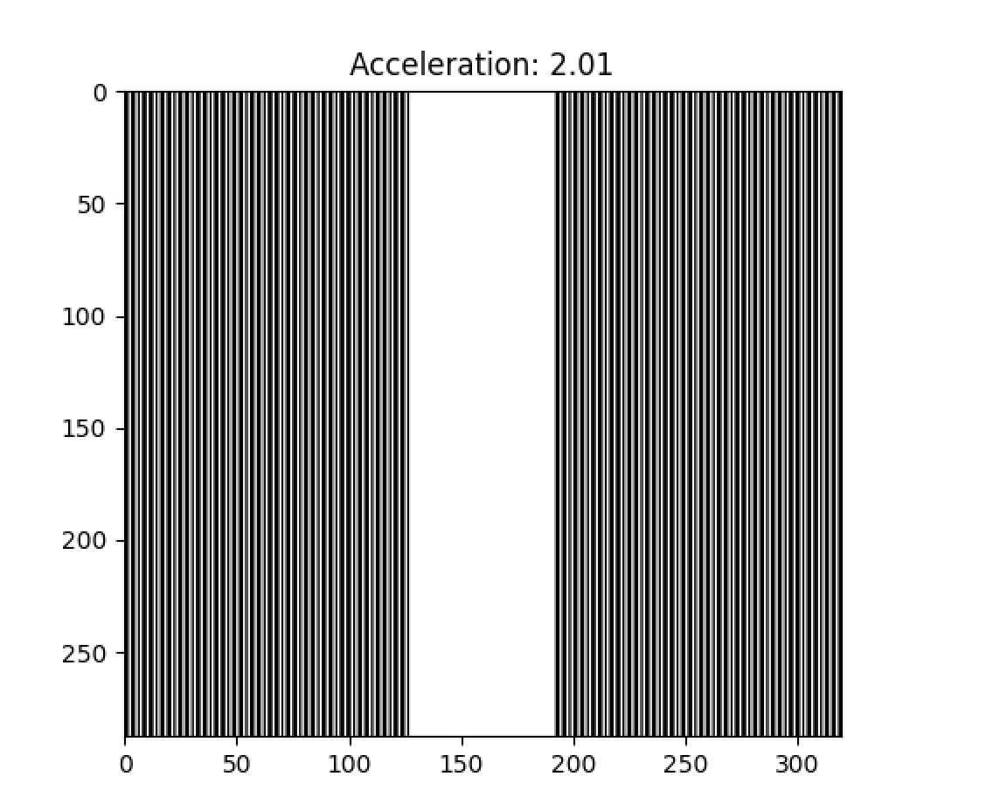
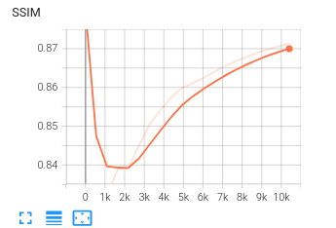
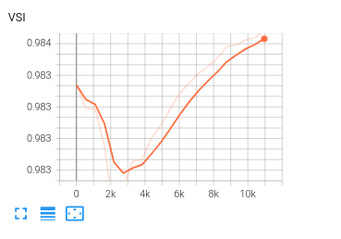
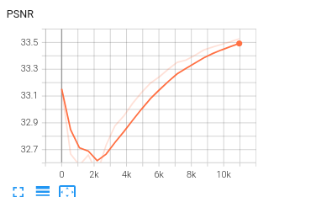
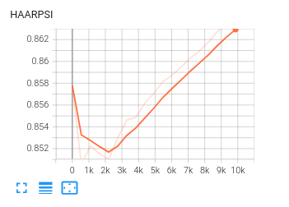
Folder name (Date) | Mask - Train | Acceleration Train | Center fraction - Train | Mask - Val | Acceleration - Val | Center fraction - Val | Data used | Train/Val split | epochs | scale
2024-01-07_14-26-17 | equispaced1d | 2 | 0.07 | equispaced1d | 2 | 0.07 | Esaote | 80/20 | 20 | 0.25

E-0.070.25
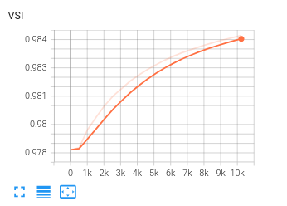
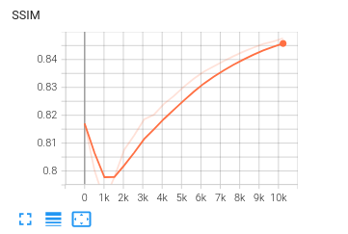
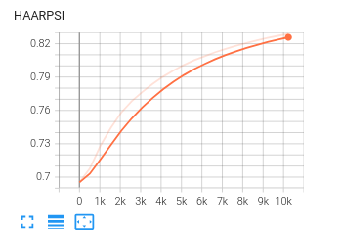
Folder name (Date) | Mask - Train | Acceleration Train | Center fraction - Train | Mask - Val | Acceleration - Val | Center fraction - Val | Data used | Train/Val split | epochs | scale
2024-01-05_21-59-05 | equispaced1d | 2 | 0.07 | equispaced1d | 2 | 0.07 | Esaote | 80/20 | 20 | 0.25

E-0.090.3
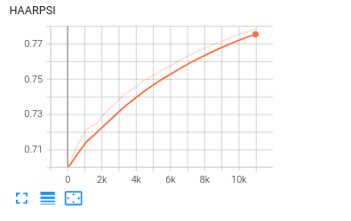
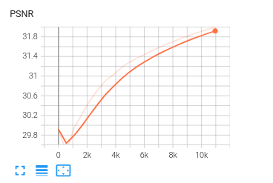
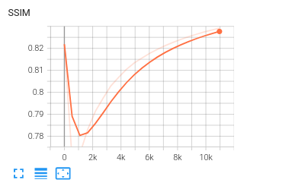
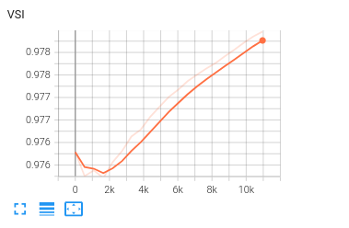
Folder name (Date) | Mask - Train | Acceleration Train | Center fraction - Train | Mask - Val | Acceleration - Val | Center fraction - Val | Data used | Train/Val split | epochs | scale
2024-01-05_21-58-21 | equispaced1d | 2.5 | 0.09 | equispaced1d | 2.5 | 0.09 | Esaote | 80/20 | 20 | 0.3

E-0.020.2
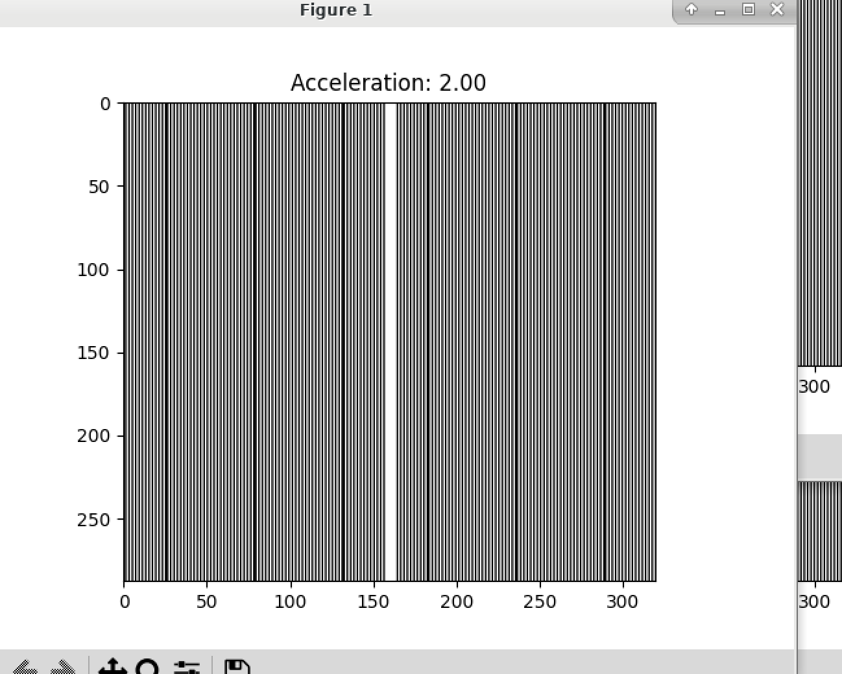
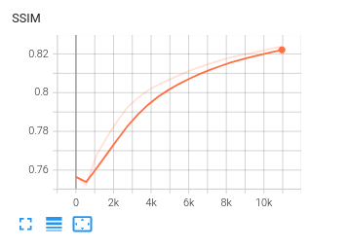
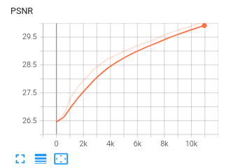
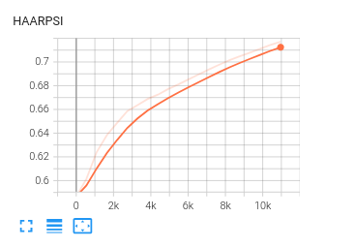
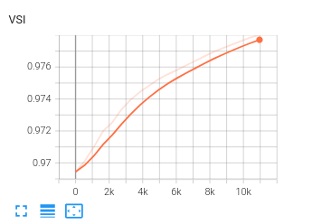
Folder name (Date) | Mask - Train | Acceleration Train | Center fraction - Train | Mask - Val | Acceleration - Val | Center fraction - Val | Data used | Train/Val split | epochs | scale
2024-01-06_17-35-04 | equispaced1d | 2 | 0.02 | equispaced1d | 2 | 0.02 | Esaote | 80/20 | 20 | 0.2

Kopie van G-20.09
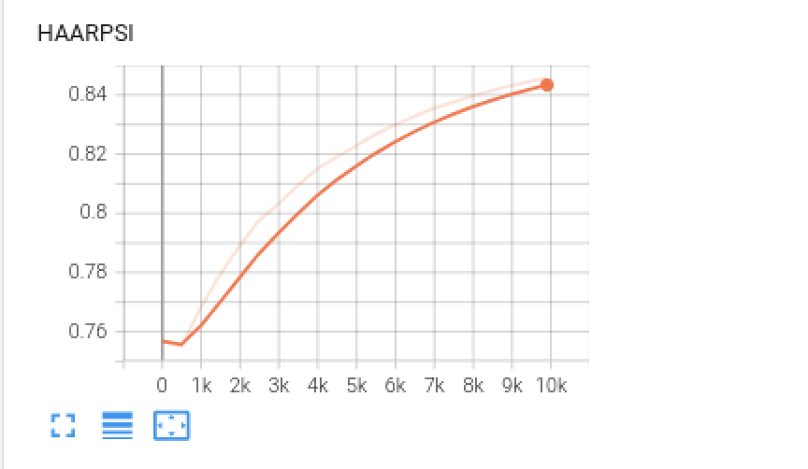
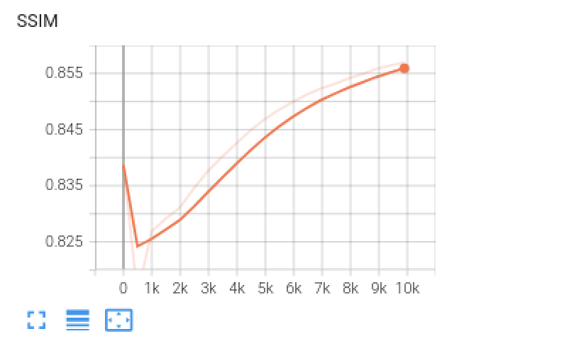
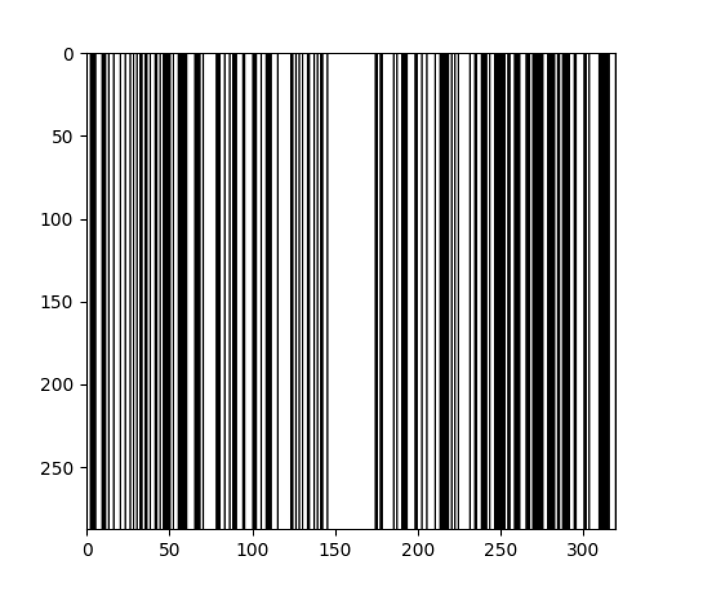
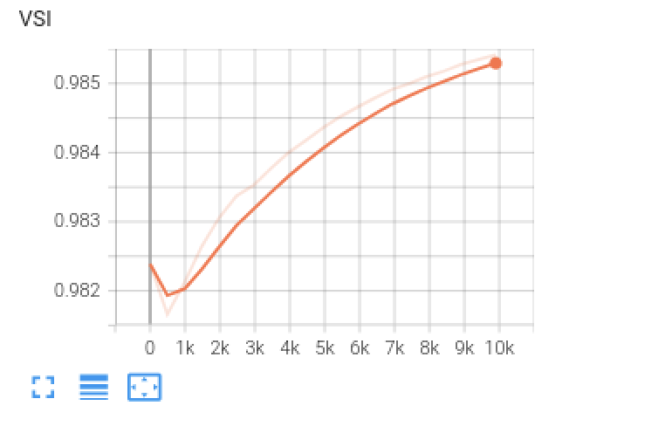
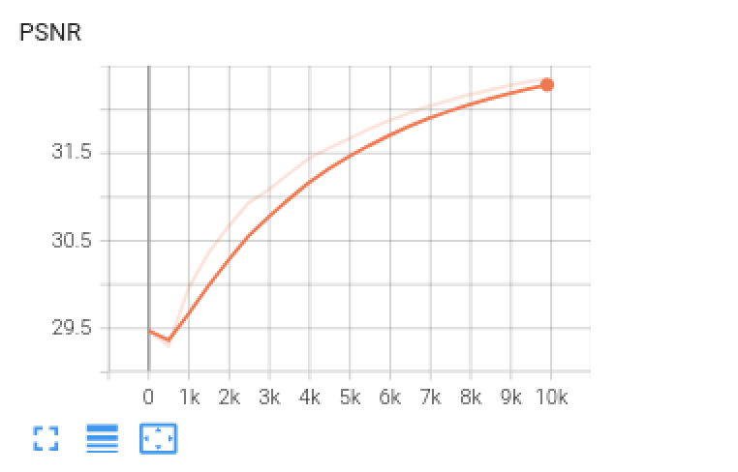
Folder name (Date) | Mask - Train | Acceleration Train | Center fraction - Train | Mask - Val | Acceleration - Val | Center fraction - Val | Data used | Train/Val split | epochs | scale
2023-12-19_15-01-34 | gaussian1d | 2 | 2 | gaussian1d | 1.8 | 0.9 | Esaote | 80/20 | 20 | 0.09

Kopie van G-0.20.02
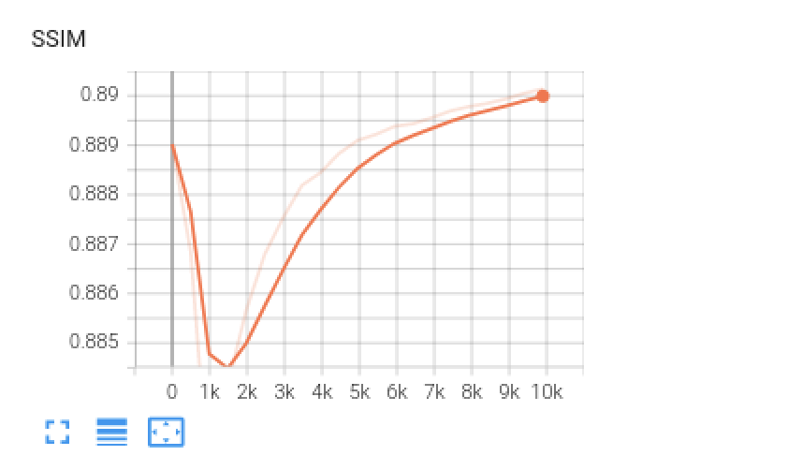
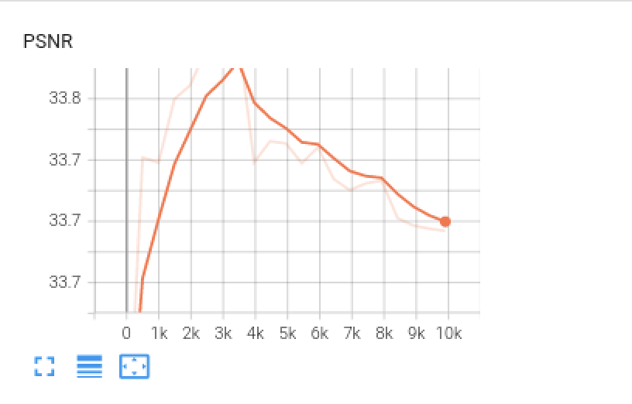
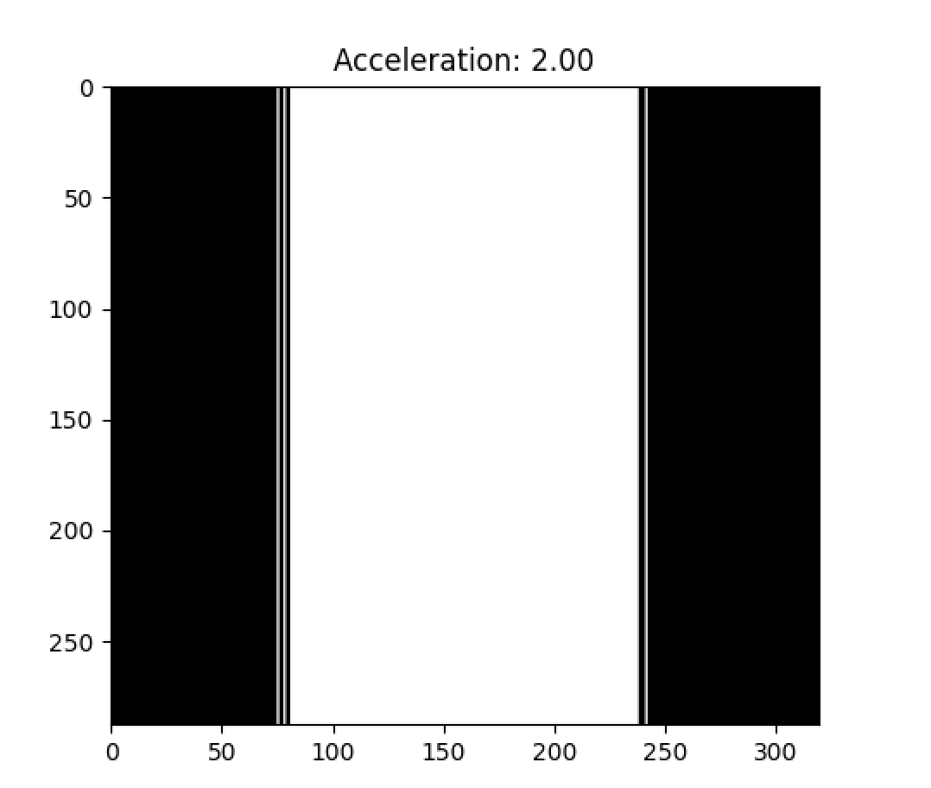
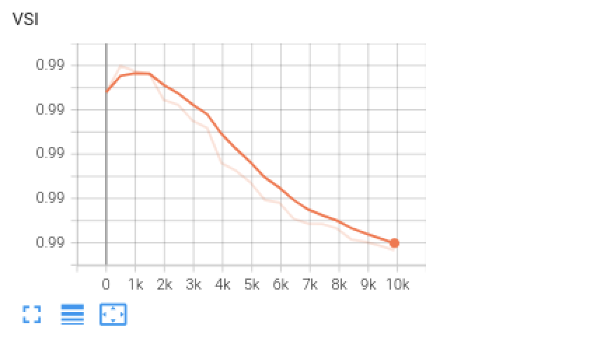
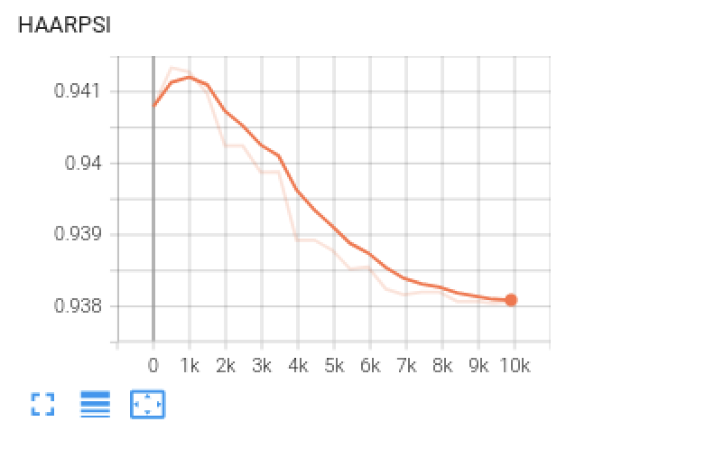
Folder name (Date) | Mask - Train | Acceleration Train | Center fraction - Train | Mask - Val | Acceleration - Val | Center fraction - Val | Data used | Train/Val split | epochs | scale
2023-12-19_15-01-38 | gaussian1d | 2 | 0.2 | gaussian1d | 2 | 0.2 | Esaote | 80/20 | 20 | 0.02

Kopie van G-0.90.09
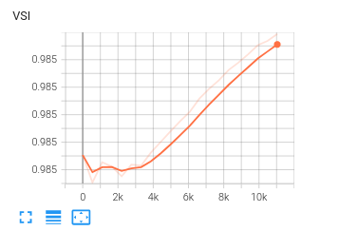
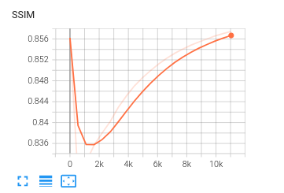
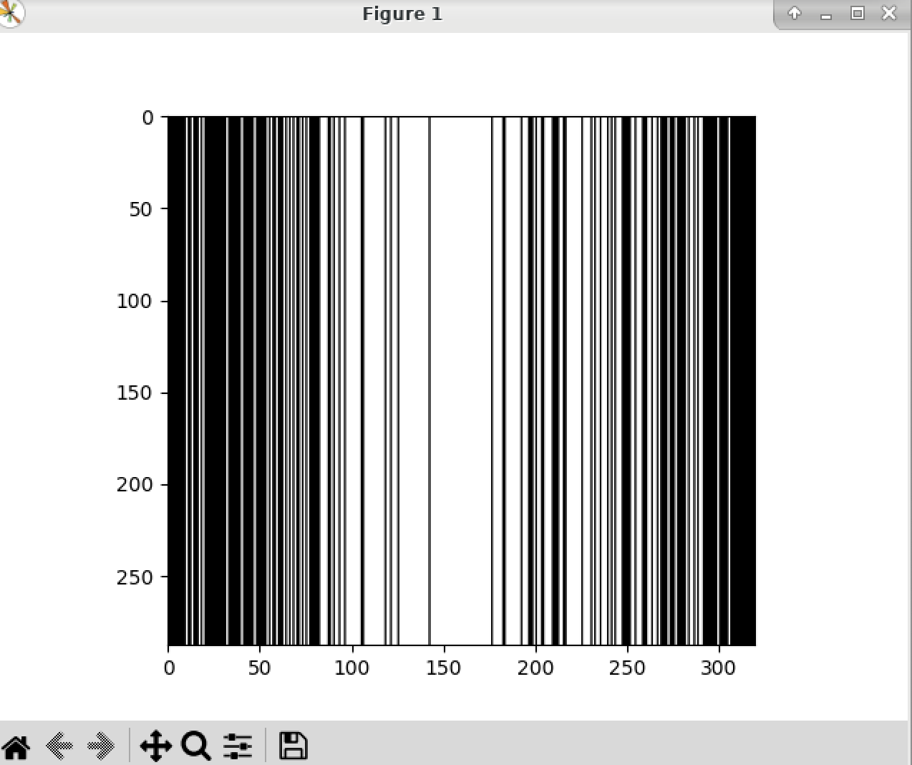
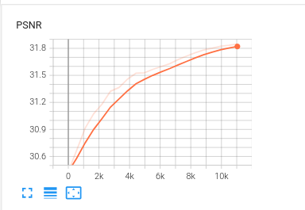
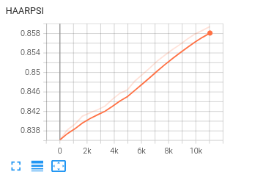
Folder name (Date) | Mask - Train | Acceleration Train | Center fraction - Train | Mask - Val | Acceleration - Val | Center fraction - Val | Data used | Train/Val split | epochs | scale
2024-01-06_16-06-54 | gaussian1d | 2 | 0.9 | gaussian1d | 2 | 0.9 | Esaote | 80/20 | 20 | 0.09

Kopie van G-0.70.02
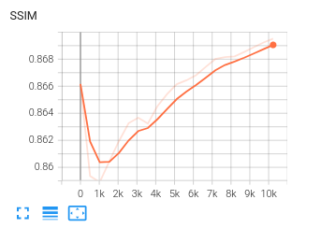
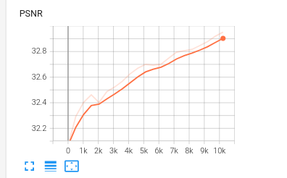
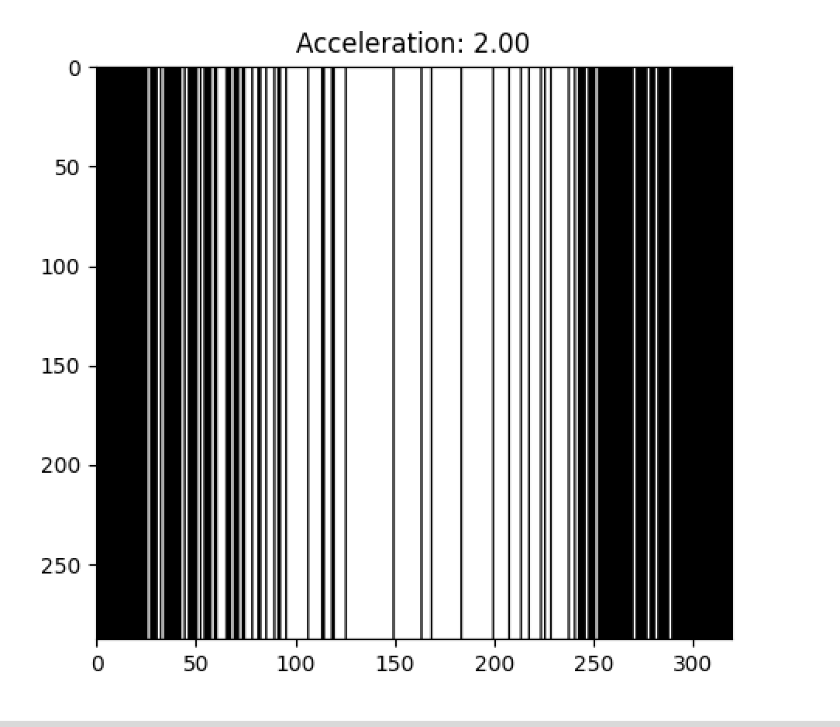
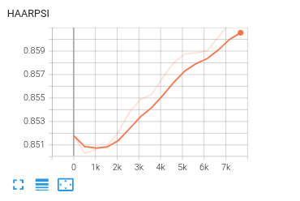
Folder name (Date) | Mask - Train | Acceleration Train | Center fraction - Train | Mask - Val | Acceleration - Val | Center fraction - Val | Data used | Train/Val split | epochs | scale
2023-11-23_14-00-37 | gaussian1d | 2 | 0.7 | gaussian1d | 2 | 0.7 | Esaote | 80/20 | 20 | 0.02

Kopie van G-0.70.08
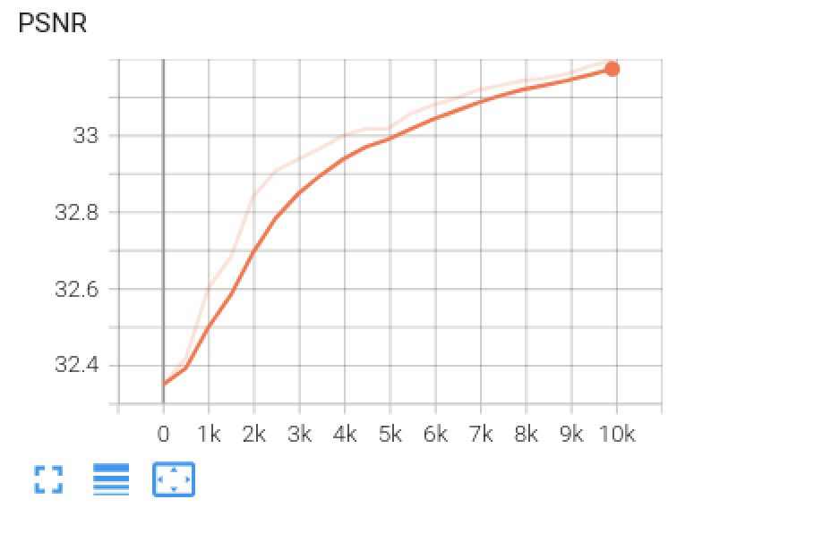
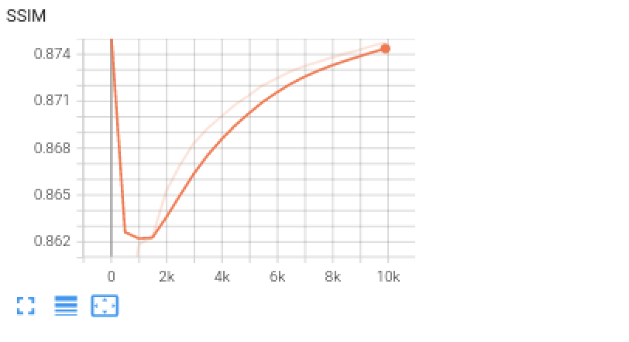
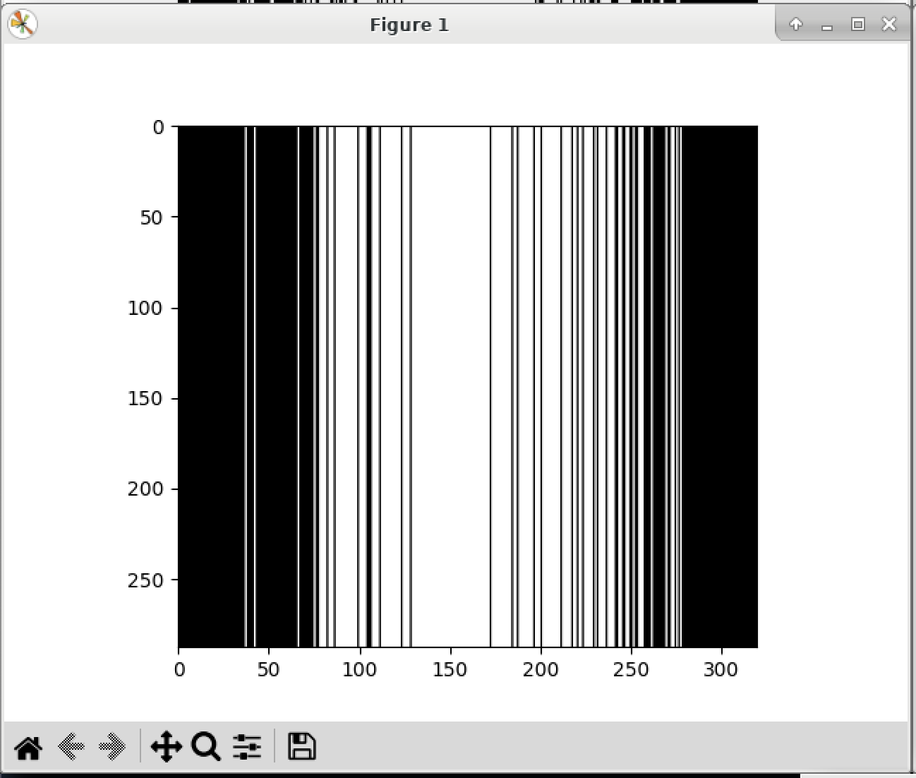
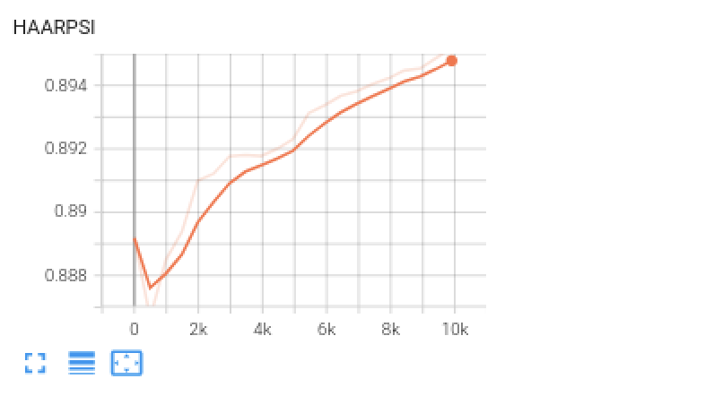
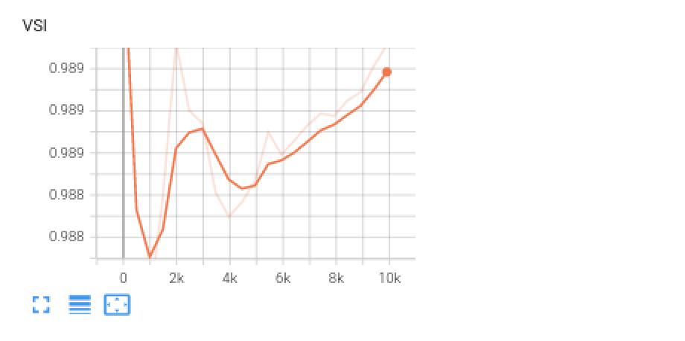
Folder name (Date) | Mask - Train | Acceleration Train | Center fraction - Train | Mask - Val | Acceleration - Val | Center fraction - Val | Data used | Train/Val split | epochs | scale
2023-12-07_11-56-19 | gaussian1d | 2 | 0.7 | gaussian1d | 2 | 0.7 | Esaote | 80/20 | 20 | 0.08

Kopie van BASLINERUN
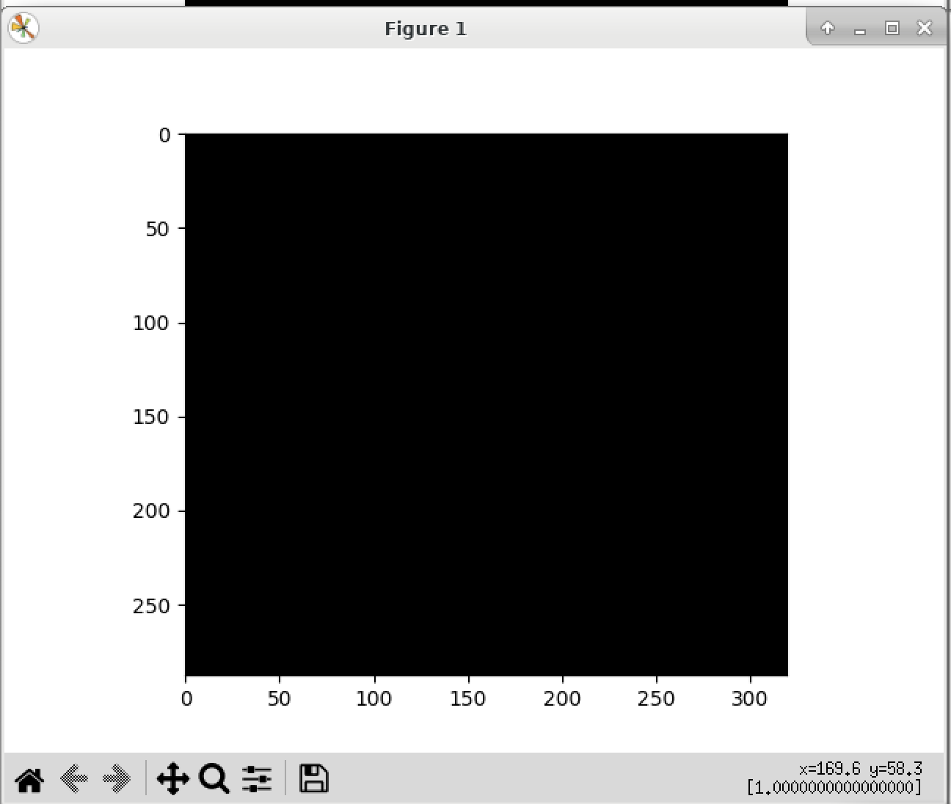
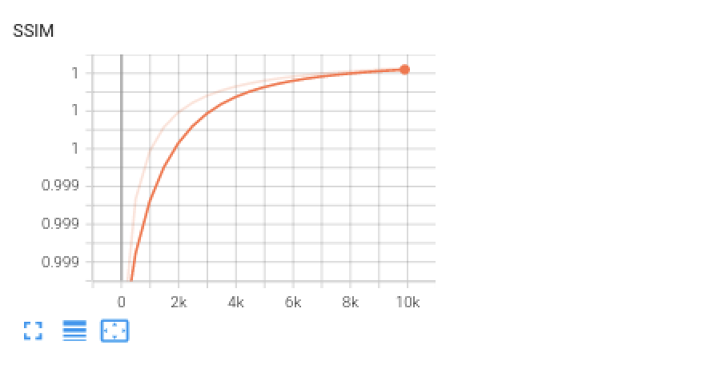
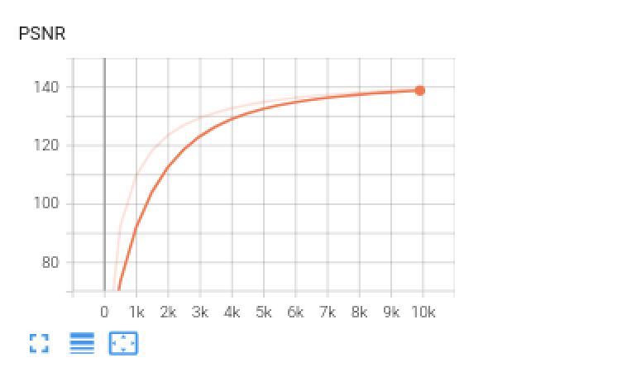
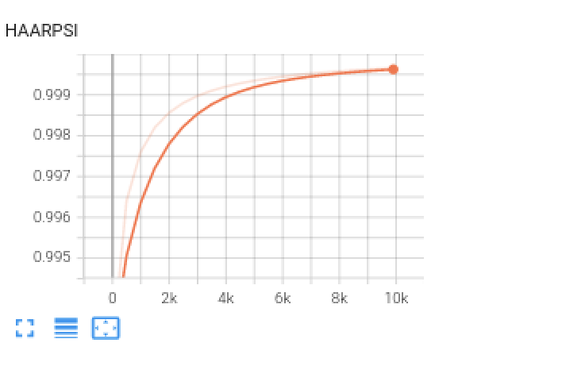

Folder name (Date) | Mask - Train | Acceleration Train | Center fraction - Train | Mask - Val | Acceleration - Val | Center fraction - Val | Data used | Train/Val split | epochs | scale
2023-12-07_14-44-15 | gaussian1d | 1 | 0.7 | gaussian1d | 1 | 0.7 | Esaote | 80/20 | 20 | 0.08

Kopie van G-0.90.07





Folder name (Date) | Mask - Train | Acceleration Train | Center fraction - Train | Mask - Val | Acceleration - Val | Center fraction - Val | Data used | Train/Val split | epochs | scale
2023-12-07_16-27-05 | gaussian1d | 2 | 0.9 | gaussian1d | 2 | 0.9 | Esaote | 80/20 | 20 | 0.07

Kopie van G-0.250.07




Folder name (Date) | Mask - Train | Acceleration Train | Center fraction - Train | Mask - Val | Acceleration - Val | Center fraction - Val | Data used | Train/Val split | epochs | scale
2024-01-05_00-22-35 | gaussian1d | 2 | 0.25 | gaussian1d | 2 | 0.25 | Esaote | 80/20 | 20 | 0.07

Kopie van G-0.90.06




Folder name (Date) | Mask - Train | Acceleration Train | Center fraction - Train | Mask - Val | Acceleration - Val | Center fraction - Val | Data used | Train/Val split | epochs | scale
2024-01-05_00-19-06 | gaussian1d | 2 |  | gaussian1d | 2 | 0.9 | Esaote | 80/20 | 20 | 0.06

Kopie van G-0.30.09




Folder | Mask - Train | Acceleration Train | Center fraction - Train | Mask - Val | Acceleration - Val | Center fraction - Val | Data used | Train/Val split | epochs | scale
2024-01-05_00-19-06 | gaussian1d | 2.5 | 0.3 | gaussian1d | 2.5 | 0.3 | Esaote | 80/20 | 20 | 0.09

Kopie van G-3-0.70.02




Folder name (Date) | Mask - Train | Acceleration Train | Center fraction - Train | Mask - Val | Acceleration - Val | Center fraction - Val | Data used | Train/Val split | epochs | scale
2024-01-06_18-13-13 | gaussian1d | 3 | 0.7 | gaussian1d | 3 | 0.7 | Esaote | 80/20 | 20 | 0.02

Kopie van G-3-0.90.09




Folder name (Date) | Mask - Train | Acceleration Train | Center fraction - Train | Mask - Val | Acceleration - Val | Center fraction - Val | Data used | Train/Val split | epochs | scale
2024-01-06_18-12-55 | gaussian1d | 3 | 0.9 | gaussian1d | 3 | 0.9 | Esaote | 80/20 | 20 | 0.09

Kopie van R-0.080.2





Folder name (Date) | Mask - Train | Acceleration Train | Center fraction - Train | Mask - Val | Acceleration - Val | Center fraction - Val | Data used | Train/Val split | epochs | scale
 | random1d | 2 | 0.08 | random1d | 2 | 0.08 | Esaote | 80/20 | 20 | 0.2

Kopie van R-0.20.2





Folder name (Date) | Mask - Train | Acceleration Train | Center fraction - Train | Mask - Val | Acceleration - Val | Center fraction - Val | Data used | Train/Val split | epochs | scale
2024-01-07_19-41-49 | random1d | 1.94 | 0.2 | random1d | 2 | 0.09 | Esaote | 80/20 | 20 | 0.2

Kopie van R-0.07025




Folder name (Date) | Mask - Train | Acceleration Train | Center fraction - Train | Mask - Val | Acceleration - Val | Center fraction - Val | Data used | Train/Val split | epochs | scale
2024-01-05_00-28-13 | random1d | 2 | 0.07 | random1d | 2 | 0.07 | Esaote | 80/20 | 20 | 0.2

Kopie van R-0.020.2





Folder name (Date) | Mask - Train | Acceleration Train | Center fraction - Train | Mask - Val | Acceleration - Val | Center fraction - Val | Data used | Train/Val split | epochs | scale
2023-12-11_14-10-00 | random1d | 2 | 0.08 | random1d | 2 | 0.08 | Esaote | 80/20 | 20

